Comcast Customer Base
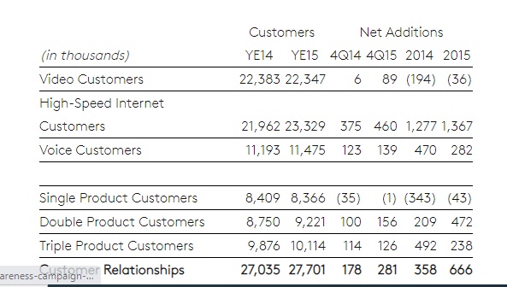

 | 0.0082086673239

Data & Excerpts from Annual Report of Comcast Cooperation for the year 2015

